Overlap significance test
Test (R file ProteinvsRNA_test)
• randomly select the same number of genes as "Gene list" from the list of "all genes"
• calculate how many genes from this random list match the protein list
• repeat 1000 times to get a distribution
• perform statistical test to assess if the matches obtained between "gene list" and "protein list" is more than random

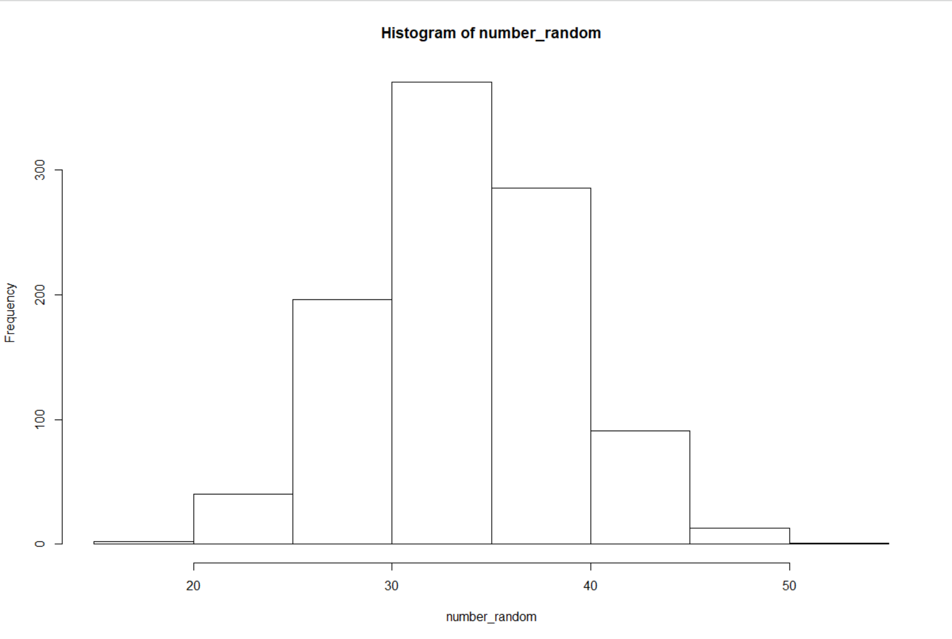

One Sample t-test

data: number_random
t = -24.331, df = 999, p-value < 2.2e-16
alternative hypothesis: true mean is less than 38
95 percent confidence interval:
-Inf 34.38161
sample estimates:
mean of x
34.119

Cytoscape
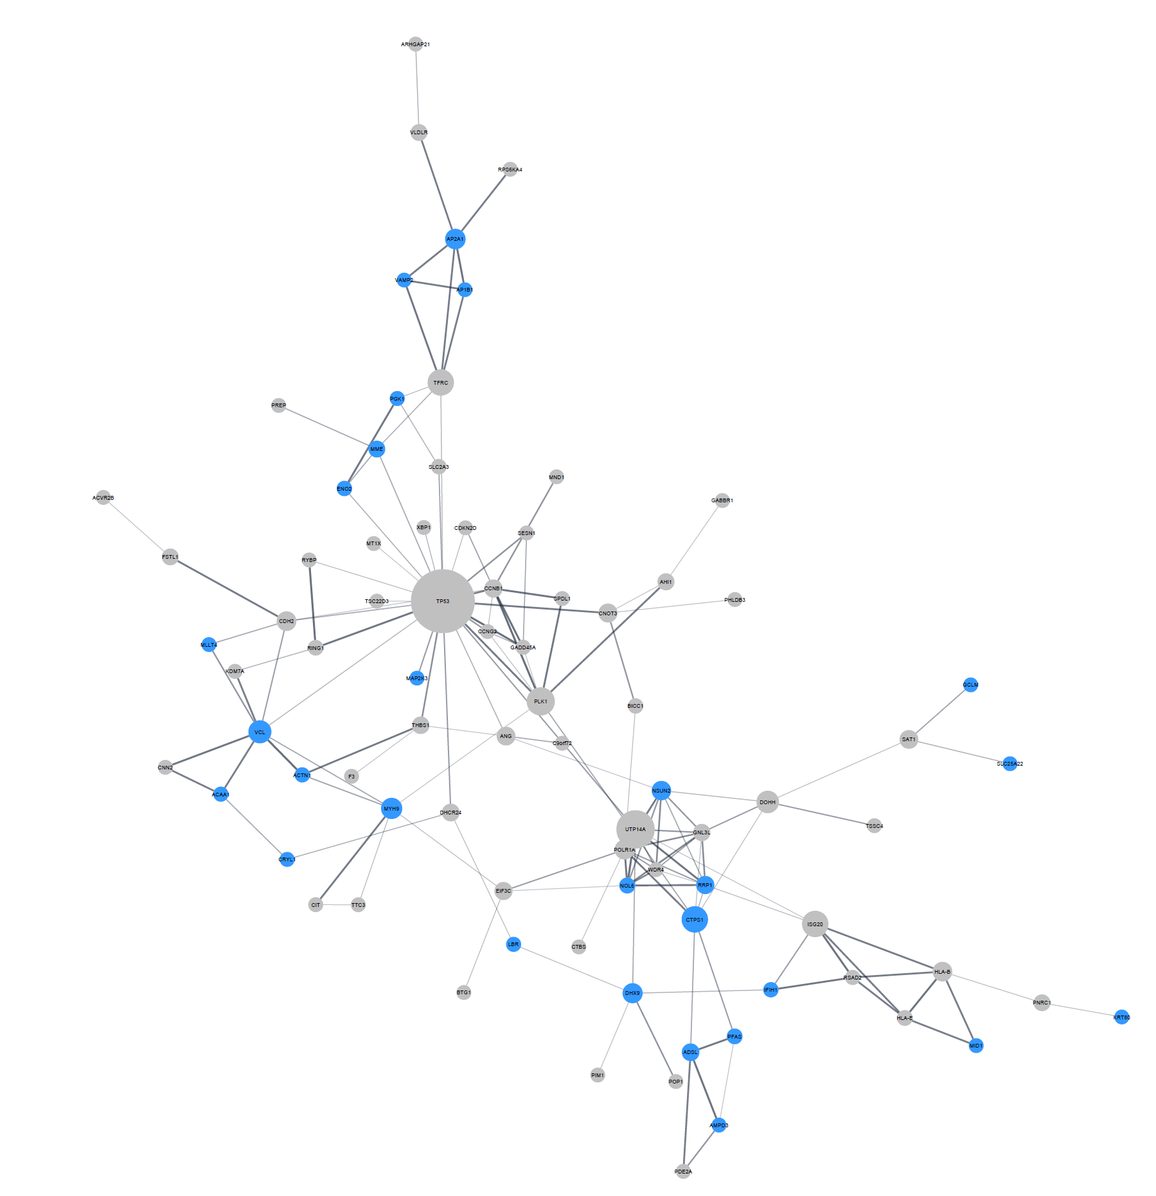
display name | ms proteins
ACAA1 | 1 |  | String network created from 159 genes
ACTN1 | 1 |  | 149 genes found in total
ACVR2B | 0 |  | 82 genes in main network
ADSL | 1 |  | Overlapping genes/proteins marked in blue
AHI1 | 0 |  | 37 in total
ALPK2 | 0 |  | 27 in main network
AMPD3 | 1
ANG | 0
ANKRD12 | 0
AP1B1 | 1
AP2A1 | 1
APBB3 | 0
ARHGAP21 | 0
ARMC6 | 0
ARRDC3 | 0
BICC1 | 0
BTAF1 | 1
BTBD2 | 0
BTG1 | 0
C19orf24 | 0
C2CD2 | 0
C6orf141 | 0
C9orf72 | 0
CAPRIN2 | 0
CCNB1 | 0
CCNG2 | 0
CD163L1 | 0
CDC42EP1 | 1
CDH2 | 0
CDKN2D | 0
CHPF2 | 1
CIT | 0
CNN2 | 0
CNOT3 | 0
COL6A2 | 0
CRELD2 | 0
CRYL1 | 1
CTBS | 0
CTPS1 | 1
DHCR24 | 0
DHX9 | 1
DOCK6 | 0
DOHH | 0
DRAM2 | 0
EIF3C | 0
ENO2 | 1
EXD3 | 0
F3 | 0
FAM132A | 0
FMNL2 | 0
FSTL1 | 0
GABBR1 | 0
GADD45A | 0
GATB | 0
GCLM | 1
GDAP1 | 1
GMDS | 1
GNL3L | 0
GOLGA8A | 0
GOLGA8B | 0
HES1 | 0
HLA-B | 0
HLA-E | 0
IFIH1 | 1
ISG20 | 0
KDM7A | 0
KIAA2026 | 0
KRT80 | 1
LARS2 | 1
LBR | 1
LENG8 | 0
LYSMD2 | 0
MAP2K3 | 1
MAP3K14 | 0
MID1 | 1
MLLT4 | 1 | AFDN in gene/protein lists
MME | 1
MND1 | 0
MT1X | 0
MXI1 | 0
MYH9 | 1
NAGPA | 0
NIPA2 | 0
NOL6 | 1
NSUN2 | 1
NUCB2 | 0
PDE2A | 0
PFAS | 1
PGK1 | 1
PHF19 | 0
PHLDB3 | 0
PIM1 | 0
PLK1 | 0
PNMA1 | 0
PNRC1 | 0
POLR1A | 0
POP1 | 0
POPDC3 | 0
PPAPDC1B | 0
PREP | 0
PSAT1 | 1
PTGIR | 0
PTPRN | 0
RASA2 | 1
RGS17 | 0
RING1 | 0
RORA | 0
RPS6KA4 | 0
RPUSD1 | 0
RRP1 | 1
RSAD2 | 0
RTN4IP1 | 0
RYBP | 0
SAT1 | 0
SEMA4B | 0
SESN1 | 0
SFT2D2 | 0
SHOX2 | 0
SLC25A22 | 1
SLC2A3 | 0
SLC5A3 | 0
SLC7A5 | 1
SMIM14 | 0
SPDL1 | 0
SPPL2A | 1
SPRY2 | 0
STC1 | 0
SUSD5 | 0
TFRC | 0
THAP8 | 0
THBS1 | 0
TMEM134 | 0
TMEM158 | 0
TMEM160 | 0
TP53 | 0
TSC22D3 | 0
TSSC4 | 0
TTC21A | 0
TTC3 | 0
UTP14A | 0
VAMP2 | 1
VCL | 1
WDR4 | 0
WDR77 | 0
VLDLR | 0
XBP1 | 0
YTHDC1 | 0
ZC3H6 | 0
ZFP90 | 0
 | 37

Gene set analysis
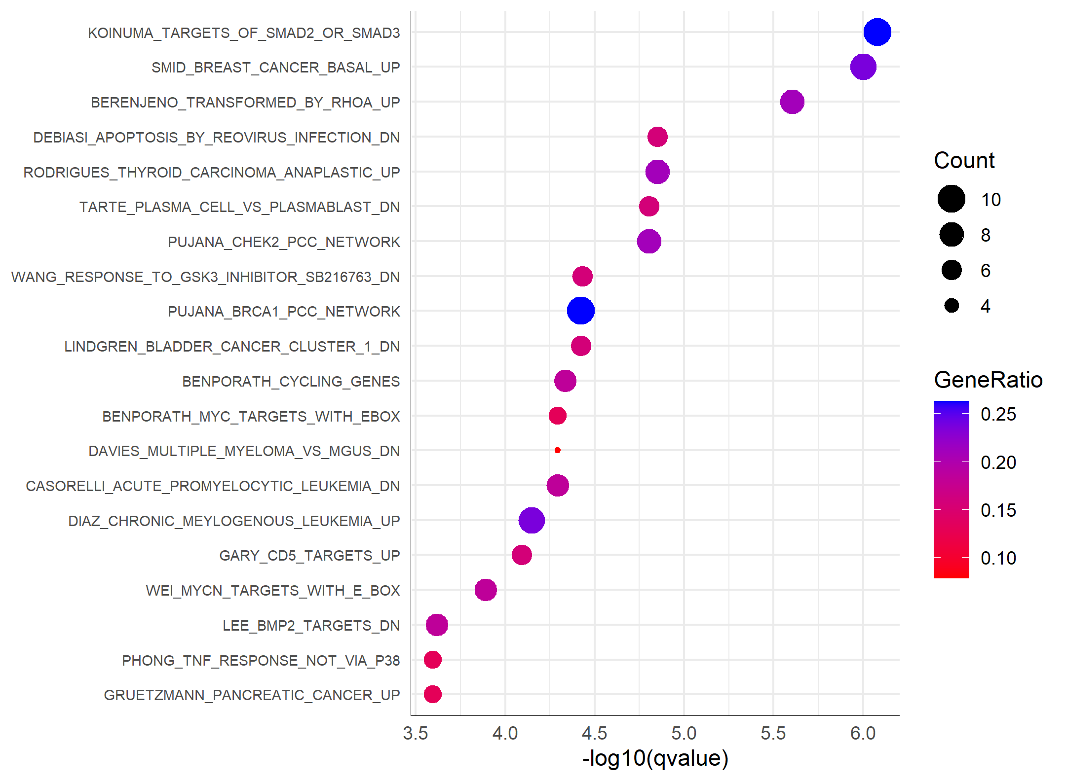
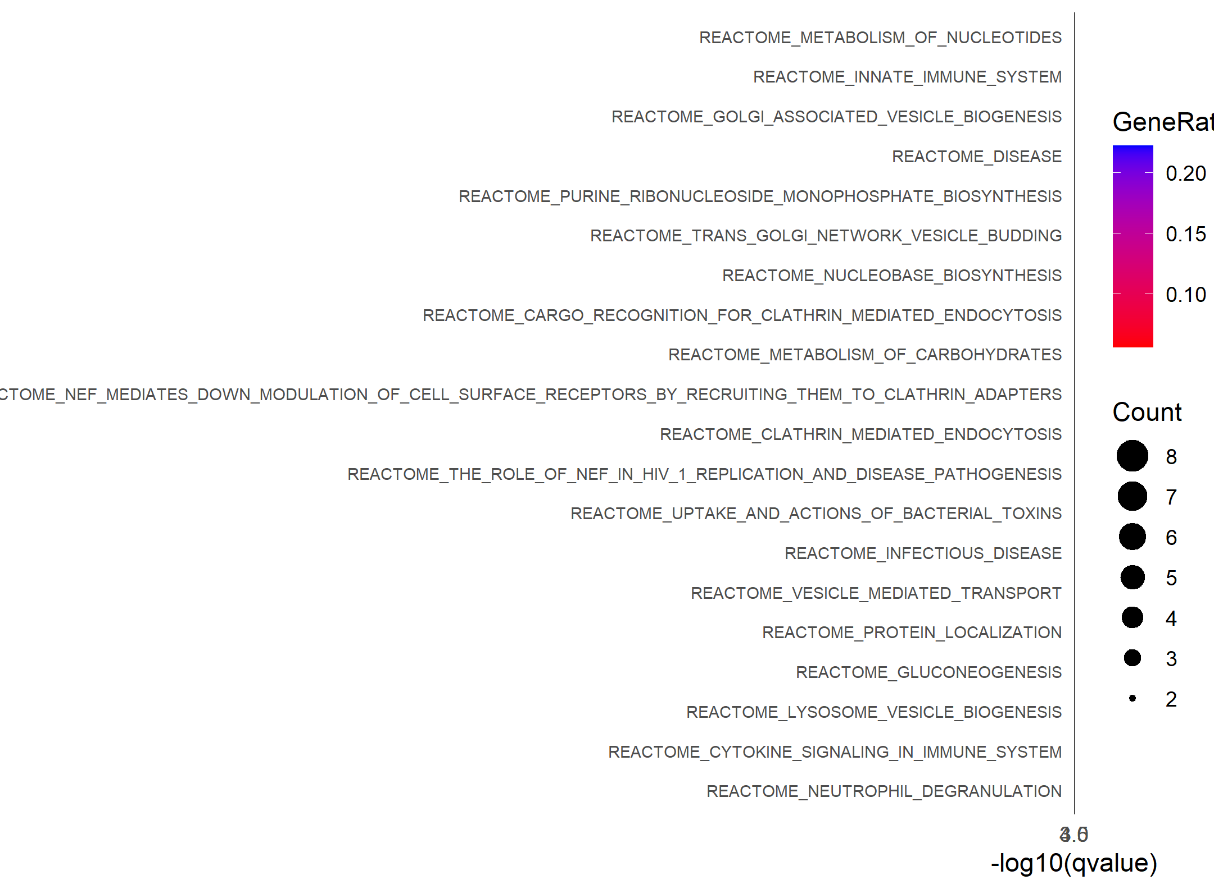
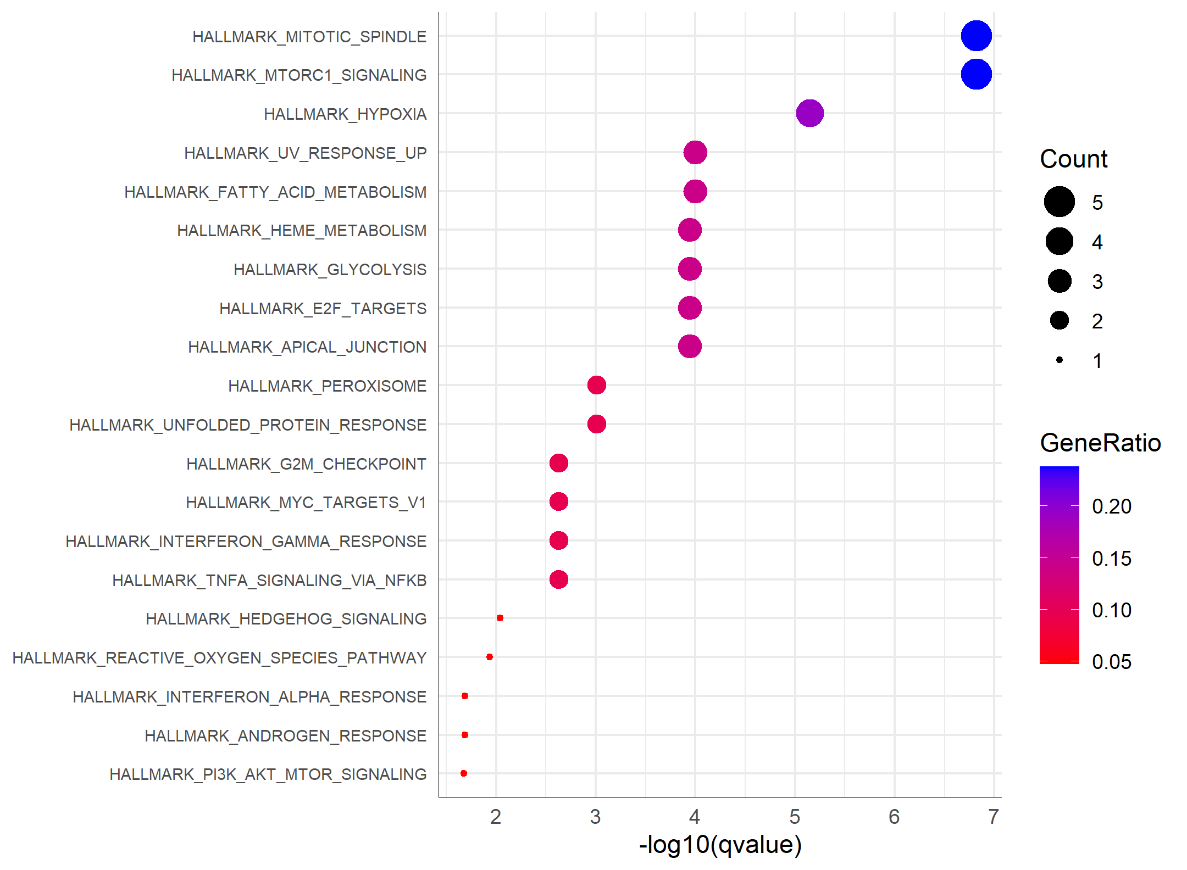

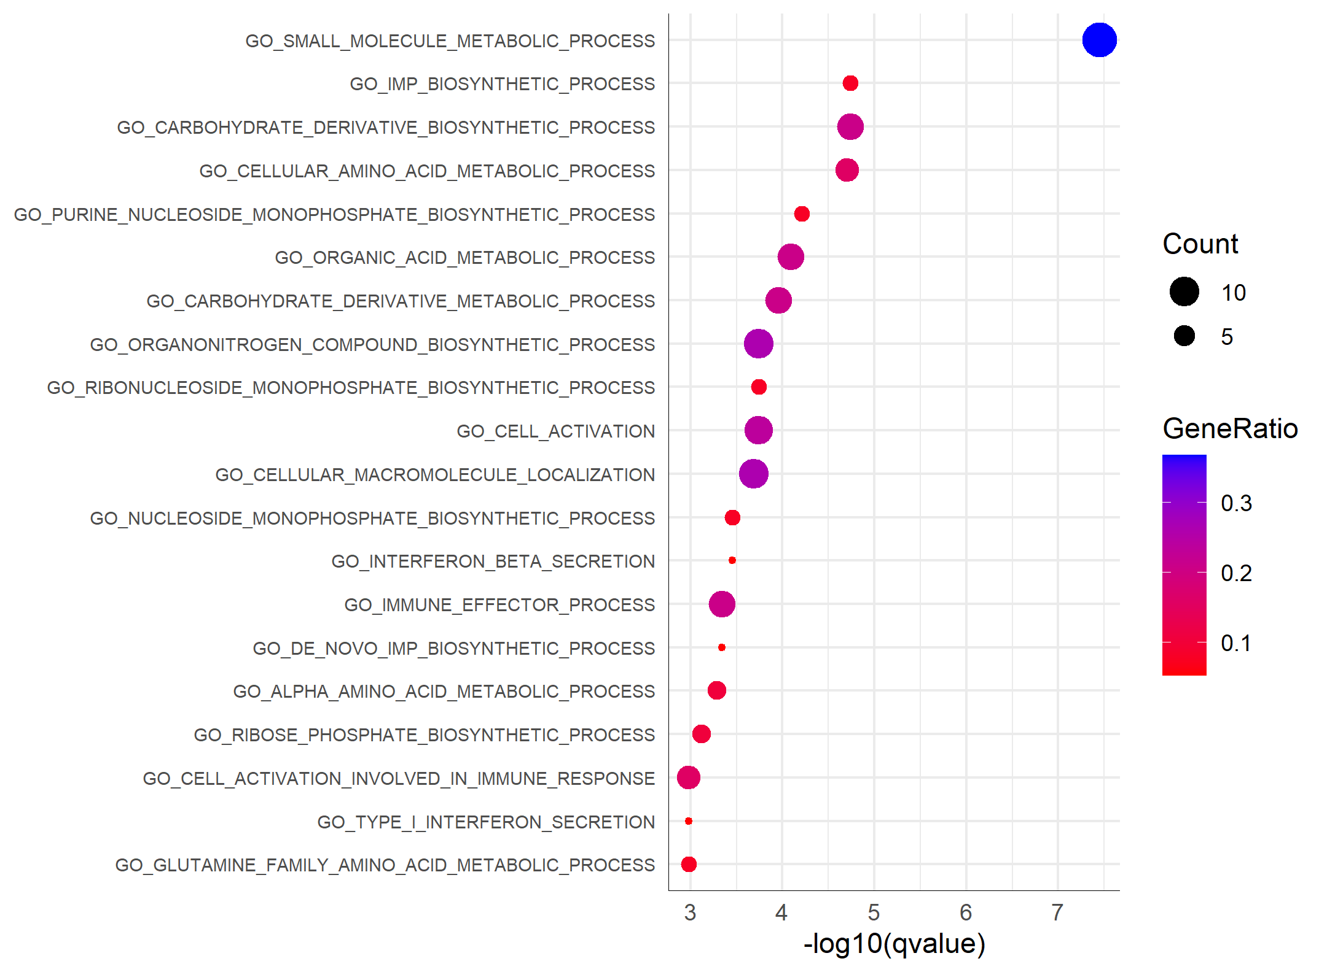
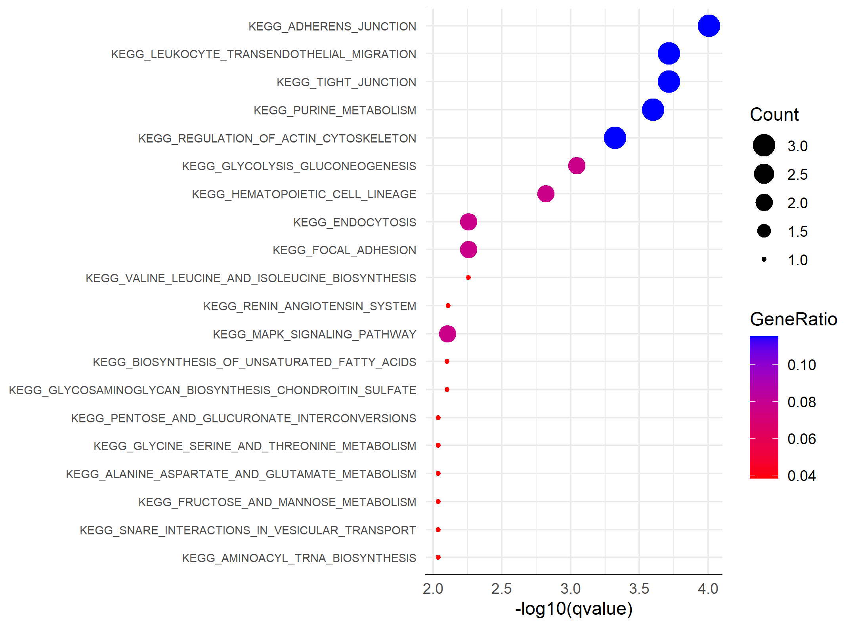
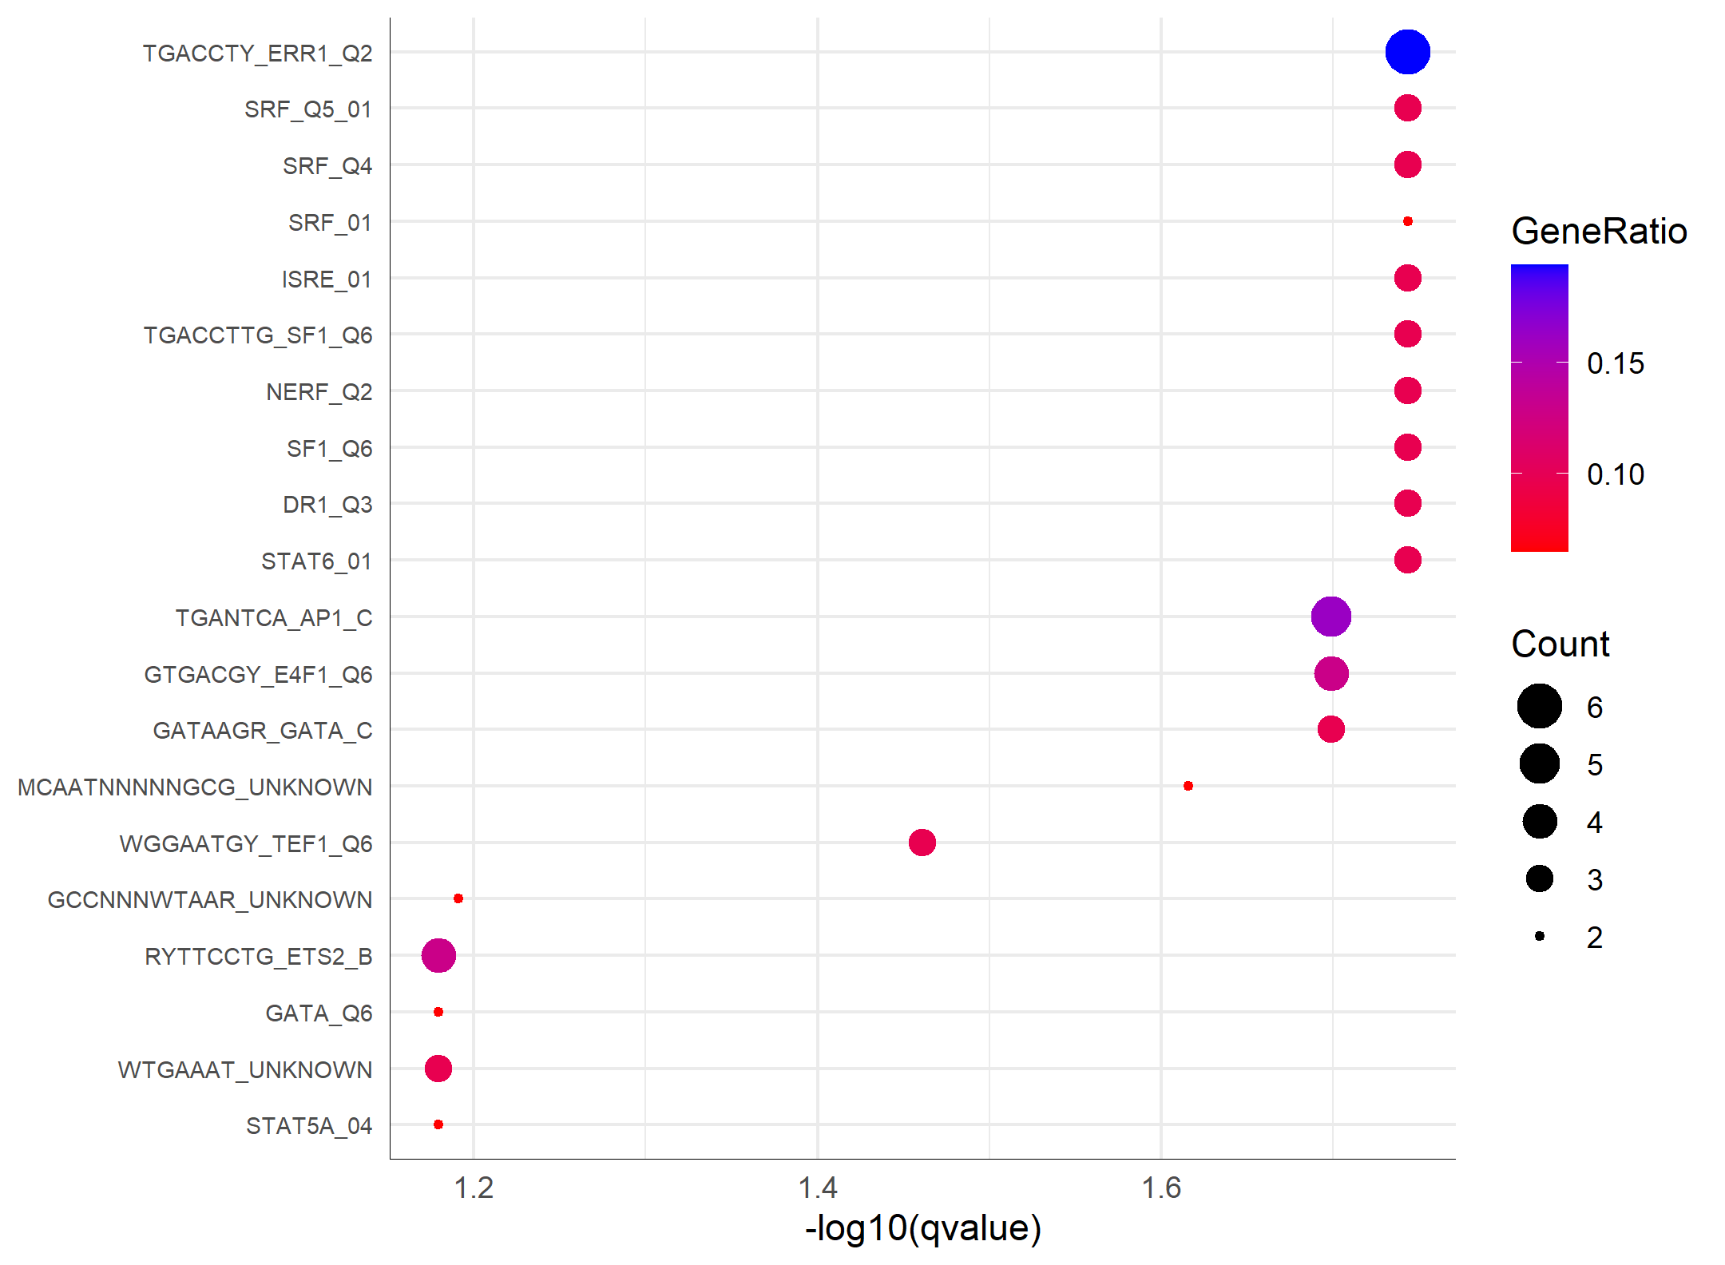

Panther pie charts
